Sheet1
Borrower Name:
Loan Number:
FHA Case Number:

Net Tangible Benefit | FIXED Rate To FIXED Rate
Original Note Rate
Original Annual MIP Factor
Original Combined Rate | -

New Note Rate
New Annual MIP Factor
New Combined Rate | -

Net Tangible Benefit | -

Underwriter:

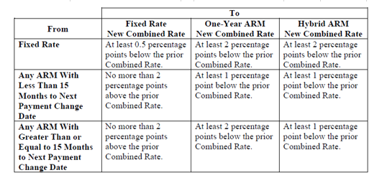

Follow the table above when calculating NTB for Fixed to ARM or ARM to ARM products

NOTE: Pull prior loan case query to determine original annual MIP factor

